Result (pitch)
Result of Calibration

 |  | Certificate No. : |  | SPR15120012-1 |  |  |  |  |  |  |  | Page : 3 of 4
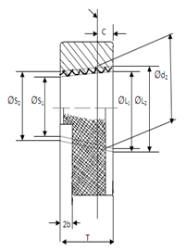

Symbol of Taper Thread Ring |  |  | Pitch Diameter |  |  |  |  |  | Minor Diameter
 |  |  | Nominal Value (mm) |  | Permissible Deviation (μm) |  |  |  | Nominal Value (mm) |  | Permissible Deviation (μm)
 |  |  |  |  | Upper | Lower | Tolerance |  |  |  | Upper | Lower | Tolerance
0 |  |  | 0.000 |  | 0 | 0 | 0 |  | 0.000 |  | 0 | 0 | 0
0 |  |  | 0.000 |  | 0 | 0 | 0 |  | □ |  | 0 | 0 | 0

 | Measurement Results Pitch Diameter
 | Symbol of Taper Thread Ring Gague |  |  | Positions |  | Measured Values |  |  |  | Deviation |  | Uncertianty ( ± ) µm

 |  |  |  |  |  | x-axis |  | y-axis
 | 0.000 |  |  | 1/5 T |  | 9.3072 |  | 12.3072 |  | -10.9349 |  | 0.90
 |  |  |  | 1/2 T |  | 10.3072 |  | 13.3072
 |  |  |  | 4/5 T |  | 11.3072 |  | 14.3072
 | 0.000 |  |  | 1/5 T |  | 15.7014 |  | 15.7014 |  | -15.7014 |  | 0.90
 |  |  |  | 1/2 T |  | 15.7014 |  | 15.7014
 |  |  |  | 4/5 T |  | 15.7014 |  | 15.7014

